Table of Contents

MARKETSIM TABLE OF CONTENTS
Click an underlined heading below to view the associated tab

 | MODEL RUN INTERFACE

 | Detailed Results

 | E&D SCENARIO INPUT: OIL |  | AEO BASELINE PROJECTIONS
 | E&D SCENARIO INPUT: GAS |  | Supply | Demand
 | BOE Percentage by Planning Area |  | Oil | Oil
 |  |  | Gas | Gas
 | SIMULATION QUANTITIES |  | Electricity | Electricity
 | Supply | Demand | Coal | Coal
 | Oil | Oil
 | Gas | Gas | PARAMETER CALCULATIONS
 | Electricity | Electricity | Supply | Demand
 | Coal | Coal
 |  |  | ELASTICITY & ADJUSTMENT
 | AEO Baseline Prices & MarketSim Simulated Prices |  | Supply | Demand
 |  |  | Oil | Oil
 |  |  | Gas | Gas
 | Change in Consumer Surplus |  | Electricity | Electricity
 |  |  | Coal | Coal
 |  |  | Adjustment Rates

 | CALCULATIONS FOR ESTIMATION OF OCS EXPORTS |  | DATA SUPPORTING CALCULATION OF OCS EXPORTS
 | Calculaton of OCS Crude Oil Exports |  | API Gravity of U.S. Crude Production and Imports
 | Calculation of OCS-Derived Refined Product Exports |  | API Gravity of OCS Crude

OCS Refined Product Data
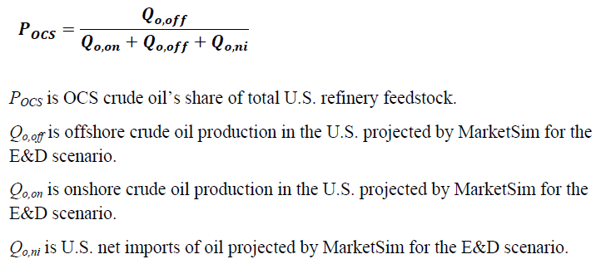
Return to Table of Contents

 | DATA TO SUPPORT ESTIMATION OF REFINED PRODUCT EXPORTS DERIVED FROM OCS OIL
 | Data Element | Value
 | Offshore Crude Oil Production in the U.S. (millions of barrels) | 11,201
 | Onshore Crude Oil Production (millions of barrels) | 77,515
 | Net Imports of Crude Oil (millions of barrels) | (15,497)

 | OCS Crude Oil's Share of U.S. Refinery Feedstock | 15.3%

